Sheet1
CAFFA COFFEE HOUSE
TESTED BY:RISAL UMAR V |  |  | OS:WINDOWS
DATE:15-02-2024 |  |  | BROWSER:CHROME

BUG_ID | EXPECTED RESULT | BUG DESCRIPTION | STEPS TO REPRODUCE | SEVERITY | PRIORITY | SCRENSHOT | STATUS
CCH_01 | Its direct to the about page | While Click on the about page in bottom of the page,It shows page not found | 1.follow URL https://qa-test.solvative.dev/ 2.Click on about in the bottom of the page | major | High | 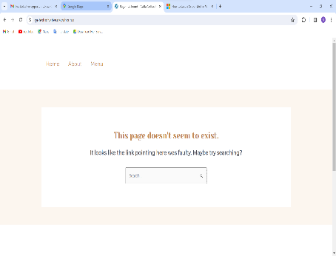 | new
CCH_02 | Its directs to Instagram page | While clicking on instagram icon in follow us part ,it directs into Twitter-X page | 1.follow URL https://qa-test.solvative.dev/ 2.Click on instagram icon in follow us part | Minor | Medium | 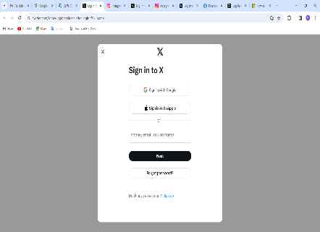 | new
CCH_03 | Its directs to Twitter-X page | While clicking on Twitter-X icon in follow us part ,it directs into instagram page | 1.follow URL https://qa-test.solvative.dev/ 2.Click on Twitter-X icon in follow us part | Minor | Medium | 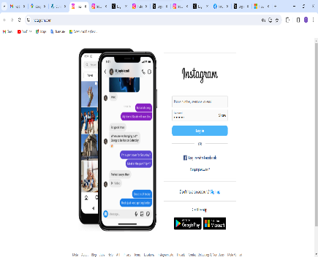 | new
CCH_04 | Contacted succesfully appears | "Something went wrong please check again" displays when contact with my details | 1.follow URL https://qa-test.solvative.dev/ 2.Click on Contact page 3.Enter details and Click Submit button | Major | High | 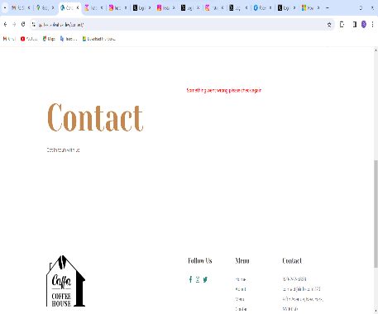 | new

